Page 1

 |  |  |  | PACT180D

PACKAGED AIR-COOLED 20 HP DUAL CIRCUIT SCROLL WITH TANK

DIMENSIONAL DRAWINGS

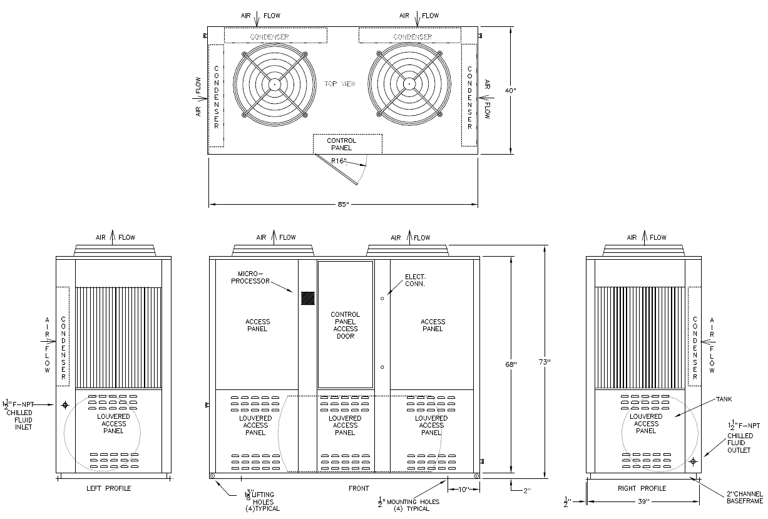

 | LENGTH | WIDTH |  | HEIGHT |  | WEIGHT |  | TANK CAPACITY |  | FLUID CONNECTIONS

 | 85" | 40" |  | 73" |  | 2100 LBS |  | 135 GAL. |  | 1 1/2" FPT

PRODUCT PERFORMANCE INFORMATION

REFRIGERANT | COMPRESSOR OPER. SUCTION TEMP. RANGE |  | LFT °F | 80°F AMB |  | 90°F AMB |  | 95°F AMB |  | 100°F AMB |  | 105°F AMB
 |  |  |  | TONS | EER | TONS | EER | TONS | EER | TONS | EER | TONS | EER
R407C | 25°F to 55°F |  | 40 | 15.0 | 10.6 | 14.1 | 9.0 | 13.6 | 8.3 | 13.1 | 7.6 | 12.7 | 7.0
 |  |  | 50 | 18.5 | 12.4 | 17.4 | 10.6 | 16.9 | 9.9 | 16.4 | 9.1 | 15.9 | 8.4
 |  |  | 60 | 22.4 | 14.2 | 21.1 | 12.3 | 20.6 | 11.4 | 20.0 | 10.6 | 19.4 | 9.8
 |  |  | 70 | 26.6 | 16.1 | 25.2 | 13.9 | 24.5 | 13.0 | 23.9 | 12.1 | 23.2 | 11.2
R404A | -10°F to 45°F |  | 5 | 8.5 | 6.1 | 7.7 | 5.0 | 7.2 | 4.5 | 6.8 | 4.0 | 6.4 | 3.5
 |  |  | 15 | 10.6 | 7.2 | 9.6 | 6.0 | 9.1 | 5.4 | 8.6 | 4.9 | 8.1 | 4.4
 |  |  | 30 | 14.2 | 9.0 | 12.9 | 7.5 | 12.3 | 6.9 | 11.7 | 6.2 | 11.0 | 5.6
 |  |  | 45 | 18.2 | 10.8 | 16.6 | 9.1 | 15.8 | 8.3 | 15.0 | 7.6 | 14.2 | 6.9
 |  |  | 60 | 22.4 | 12.3 | 20.5 | 10.5 | 19.5 | 9.6 | 18.6 | 8.8 | 17.6 | 8.0

DRAKE REFRIGERATION INC
2900 SAMUEL DRIVE
BENSALEM, PA 19020
(888) 289-7299
www.drakechillers.com |  |  |  |  |  |  |  | *ALL INFORMATION FOR REFERENCE ONLY

